Finding Outliers E7
1 | Data is used from the Grouping & Summarizing data sheet from vgsales_clean sheet as vgsales sheet.

2 | For which columns would you want to know the measures of central tendency? | NA_Sales, EU_Sales, JP_Sales, Other_Sales, Global_Sales
 | Calculate the mean, median, and mode for each of these columns. | NA_Sales | EU_Sales | JP_Sales | Other_Sales | Global_Sales
 | Mean | 0.26627481104 | 0.148032938 | 0.078811528298 | 0.049858661587 | 0.54187734284
 | Median | 0.08 | 0.02 | 0 | 0.01 | 0.17
 | Mode | 0 | 0 | 0 | 0 | 0.02
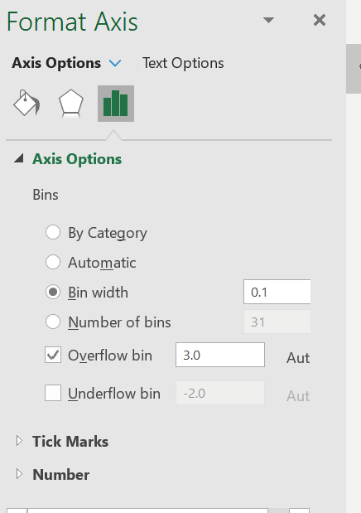
3 | Create a histogram for North American sales.

3.1 | Group the values by 0.1. Hint: For a refresher of the grouping process, you can refer to Exercise 5, when we grouped cold-weather animals in a pivot table.
3.2 | How would you describe this distribution? | Right-skewed distributions (Refer sheet 2)
3.3 | Looking at the distribution, which would be larger: the mean or the median? | The mean is driven up by the higher values in the right tail, making it higher than the median
3.4 | Why do you think this is? | All values are equally distributed with same interval. So the average and mean are same

4 | What's the range for North American sales? | 41.49 | The difference of Maximum and Minimum value in NA_Sales

5 | What's the IQR for North American sales? | Q1 | Q2 | Q3
 |  | 0 | 0.08 | 0.24
 | IQR | Q3-Q1 = 0.24

6 | Are there any outlier values for North American sales? | According to unusual values definition an outlier is a value that's either lower than Q1 – (IQR * 1.5) or larger than Q3 + (IQR * 1.5) (Refer Sheet 3)
 | Q1 – (IQR * 1.5) | -0.36
 | Q3 + (IQR * 1.5) | 0.6
 | If so, how would you handle these observations? | There are 1426 NA sales records with values more than 0.6. It is challenging to justify the higher ranking games sales as outliers value results from an error or an actual measurement. It is good to leave the value of the outlier in the data set unless we have sufficient reason to remove it.

